Sheet1
EXAM 1 eml 4601 2020 solution
problem 1
8500 |  | 1.2 |  | 10200 |  | 75 | 56 |  | 209304
sf |  | cfm/sf |  | cfm sa |  |  |  |  | sensible load
 |  |  |  | for load
 |  |  |  |  |  |  |  |  |  | 1
10200 cfm required to meet load
problem 2
0.18 |  | 8500 |  | 1530
10 |  | 42 |  | 420
 |  |  |  | 1950 | cfm to meet ashrae

problem
3 | 5 |  | 100 | 16 | 12 |  | 2000
 |  |  |  |  |  |  | cfm hood make up

problem
8500 |  | 10 |  | 10 |  | 60 |  | 14166.666667
sf |  | ft |  | acph |  |  |  | cfm | for 10ACPH

problem
8500 |  | 10 |  | 0.2 |  | 60 |  | 283.33333333
sf |  | ft |  | acph |  |  |  | cfm | for,pressurization

problem

14167
cfm supply air cfm
problem 7
12450.333333
cfm extra exhaust

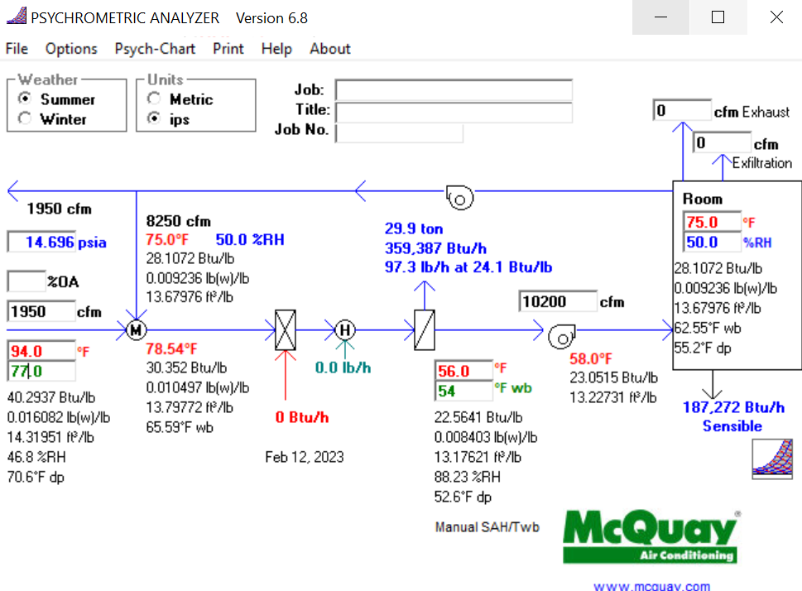
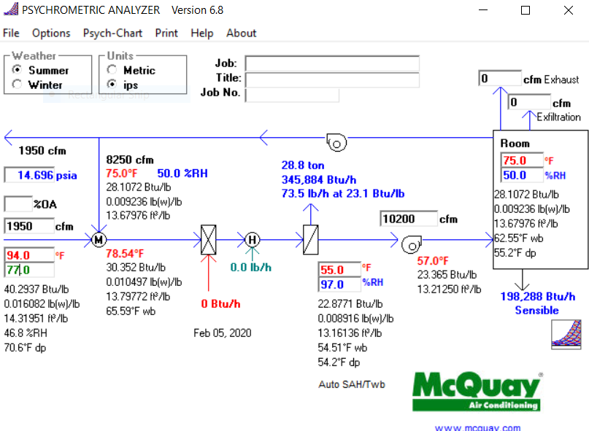

problem 3
29.9 | tons
359,387 | btuh
problem 4
1950 |  | 1.08 |  | 56 |  | 29 |  | 56862 | btuh preheat coil

problem 5

10200 |  | 1.08 |  | 56 |  | 95 |  | 429624 | btuh reheat coil
problem 6
359387 |  | 500 |  | 10 |  | 71.8774 | gpm chw
btuh |  |  |  |  |  | 2.5 or 3 inch pipe

problem 7
56862 |  | 500 |  | 20 |  | 5.6862 | gpm hhw
btuh |  |  |  |  |  |  | preheat coil
 |  |  |  |  |  | 1 inch pipe
problem 8
429624 |  | 500 |  | 20 |  | 42.9624 | gpm hhw
 |  |  |  |  |  |  | reheat coil
 |  |  |  |  |  | 2 or 2 1/2 inch

problem
36x36
38x38 |  | both acceptable answers

problem
94x94 |  | for both 14 and 16, if student's answer is +/- 2", take off only 5.

